intro
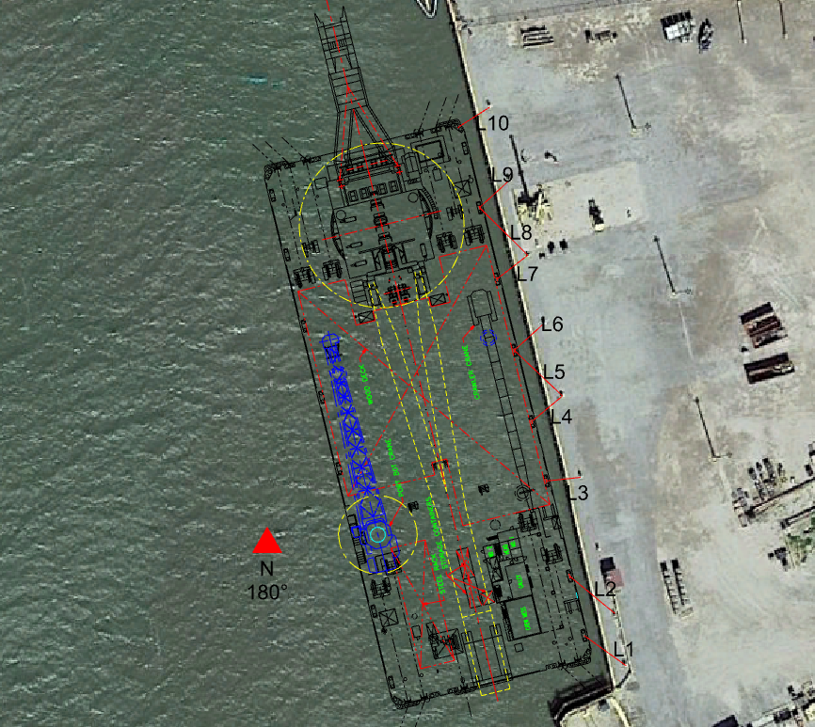
Objective

Key Inputs

 | Surge Axis w.r.t True North | deg | 166.28
 | Bollard Pull | N | -911574.05562
 | Wire Tension Limit | mT | 80
 |  | N | 784640
 | Rope Breaking Strength | N | 985725.90994

 | Starting Position (LIBR NE)
 | Surge (X) | Sway (Y) | Heave (Z) | Roll (RX) | Pitch (RY) | Yaw (RZ)
 | m | m | m | ° | ° | °
 | 56.205 | -0.523 | 4.3 | 0.002 | -0.015 | -0.1

 | Slack Data
 | Line 1
 | Length | m | 11.53
 | 3 in Slack |  | Slack | Slack | Length
 |  |  | in | m | m
 |  |  | 3 | 0.0762 | 11.61
 |  |  | 6 | 0.1524 | 11.68
 |  |  | 9 | 0.2286 | 11.76
Schematic

